RBT
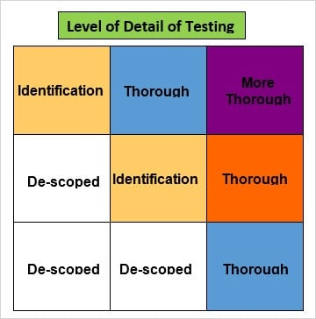
Likelihood of failure
Likely | 4 | 3 | 1 | High Value
Quite Likely | 5 | 4 | 2
Unlikely | 5 | 5 | 3
Low Value | Minor | Visible | Interruption
 | Impact of failure for Business

Likelihood of failure
Likely | 3 | 6,12,13 | 1,10 ,11,14,32,33,35,37 | High Value
Quite Likely |  | 7,8,23,24,25,26,27,28,29 | 2,9,16,17,30,31,34
Unlikely |  | 4,5,15, | 18,19,20,21,22
Low Value | Minor | Visible | Interruption
 | Impact of failure

